Sheet1
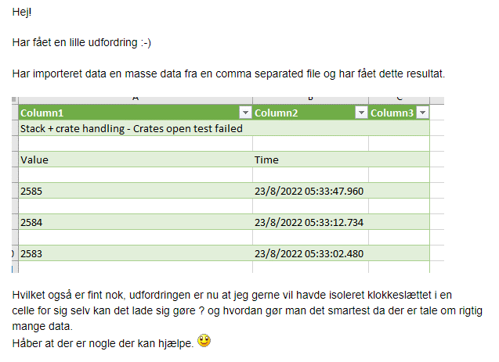
23/08/2022 | 5:33:47,960

