Sheet1
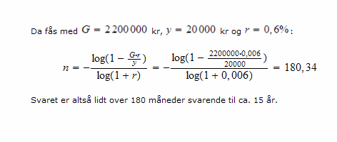

G | 2200000
y | 20000
r | 0.60%

n | -180.34047727

 | LOG(1-(B13*B15/B14))/LOG(1+B15)

